Sustaintability Tracker
Adecoagro
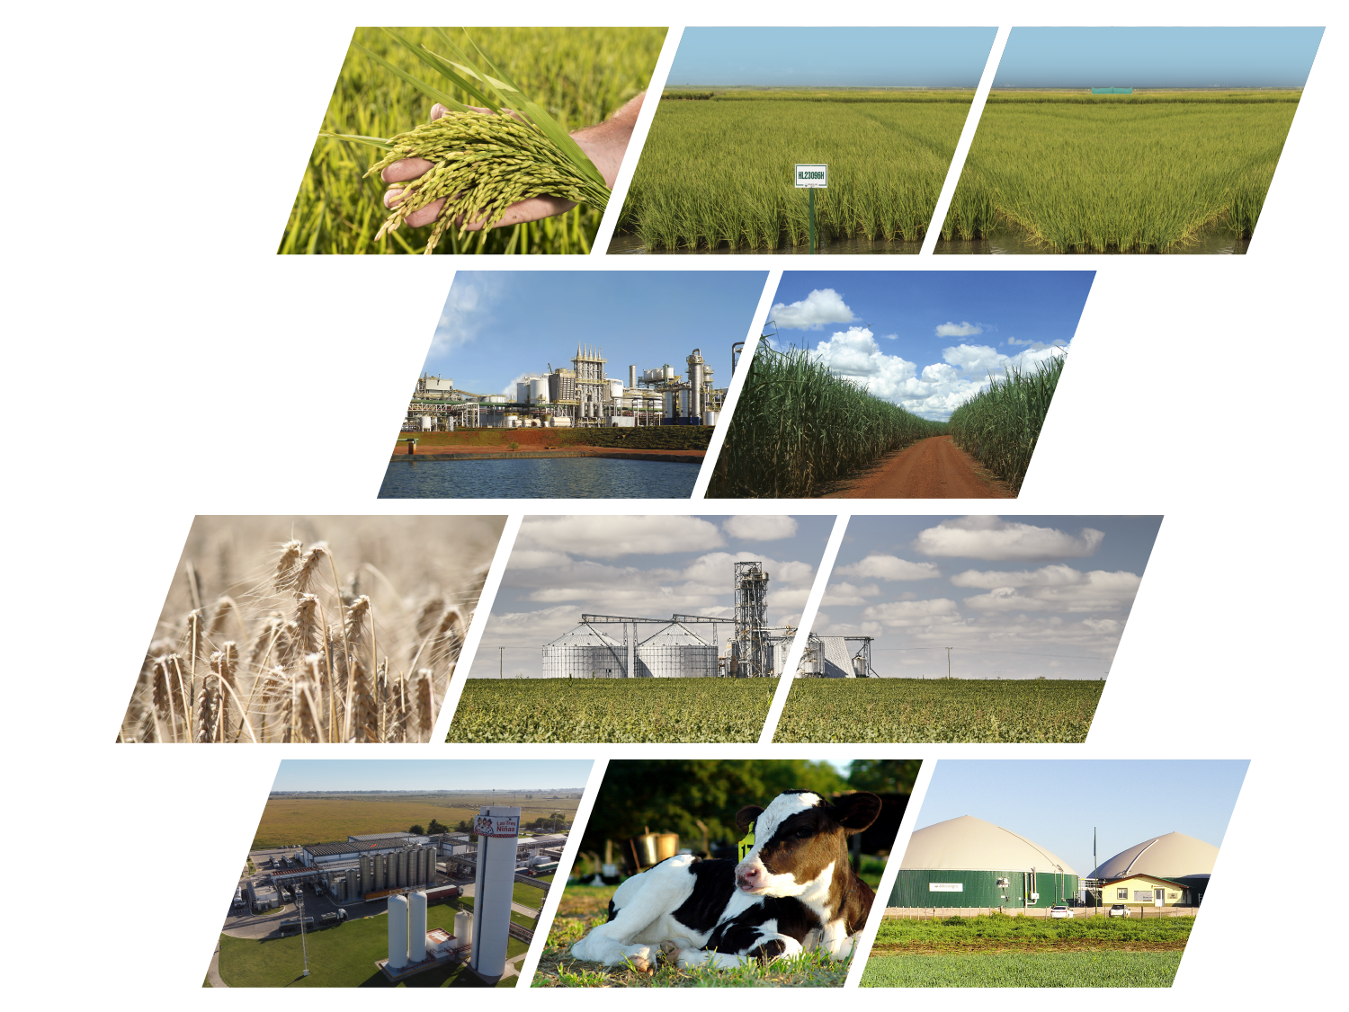

a sustainable
Development model

Adecoagro Sustainability tracker

Financial & Operational indicators | click here
Environmental indicators | click here
Social indicators | click here
Governance indicators | click here
Targets and Commitments | click here
Our Policies | click here
Our Certifications | click here

Email: ir@adecoagro.com
Website: www.adecoagro.com

Data updated as of May 21st 2025
The data on this tracker is aligned with the methodology used in our latest Integrated Report (FY 2024)

Targets and Commitments
OUR TARGETS
 |  | ADECOAGRO TARGETS AND COMMITMENTS For further information, please refer to our 2024 Integrated Report (click here)

We produce food and renewable energy with a focus on protecting the planet and caring for our people, under a transparent governance model. As part of our sustainable business model, we have set the following targets and commitments:

CARBON INTENSITY TARGET | GENDER DIVERSITY TARGET | WATER INTENSITY COMMITMENT

-20 %
carbon intensity reduction target by 2030
25%
women participation in leadership positions by 2030
 |  | As an agribusiness company, water is essential to our field production, particularly in our rice operations. It is also among Adecoagro’s top 10 material topics. For this reason, we are continuously seeking ways to improve efficiency and optimize our use of this resource. For years, we’ve been adopting advanced irrigation technologies, and we continue to expand these practices across the hectares of our rice fields. These technologies have allowed us to reduce water consumption in irrigation by up to 30%. Our eagerness for efficiency and environmental stewardship drives us to adopt innovative solutions that further minimize our water footprint. As outlined in our Environmental Policy, we remain committed to preventing water pollution and promoting the responsible use of this vital resource.

Base year: 2021 Target year: 2030 | Target year: 2030
CI 2021: 0.309 CI 2030: 0.241
Carbon Intensity (CI): net emissions relative to the company’s total production volume | Gender diversity: women participation in leadership positions (%)
Scopes: scope 1 & 2 emissions net from sequestrations and removals | Definition: leadership positions include Directors, Managers and Supervisors
Methodology: following GHG Protocol | Scope: Company wide - total Adecoagro's businesses and workforce
Soil Organic Carbon: excluded | Progress to date
Progress to date | Gender diversity 2024: 17%
CI 2024: 0.279 | At Adecoagro, we strongly believe that building diverse teams, embracing various perspectives, and valuing individual contributions are key to driving innovation and growth.
Note: We expect an oscillating and decreasing trend in our carbon intensity in order to reach the 2030 target.

Data updated as of May 21st 2025

Policies
Adecoagro

a sustainable
Development model

Adecoagro Policies and Commitments
Click here to access all

Policy | Publication Date
Occupational Health & Safety Policy | 11/29/2022
Distribution Policy | 06/22/2022
Diversity and Inclusion Policy | 06/15/2022
Environmental Policy | 06/08/2022
Human Rights Policy | 06/01/2022
Integrated Policy | 06/10/2021
Quality and Food Safety Policy | 03/02/2021
Animal Welfare Policy | 01/18/2021

Data updated as of May 21st 2025

Certifications
Adecoagro

a sustainable
Development model

Adecoagro Main Certifications
Click here to access all

Certification | Facilities | Business
OIA - Animal Welfare | Carmen (free stalls) | Dairy
Bonsucro | Ivinhema and Angelica | SE&E
FSSC 22000 | Monte Alegre | SE&E
FSSC 22000 | Chivilcoy and Morteros Plants | Dairy
FSSC 22000 | Mercedes, San Salvador, Franck and Paso Dragon Rice Mills and Pilarica snacks plant | Rice
FSSC 22000 | Sunflower Plant | Crops - sunflower
BRCGS Food Safety | Peanut Plant | Crops - peanut
RenovaBio | Monte Alegre, Ivinhema, Angelica | SE&E
ISO 14.001 | Biodigesters | Dairy
RTRS | Abolengo, San Carlos and La Rosa (and other leased farms for soy cultivation) | Crops - soy
Farm Sustainability Assessment – Sustainable Agriculture Initiative | Peanut, wheat, corn and rice farms | Crops - peanut, wheat, corn Rice
Halal | Monte Alegre | SE&E
Kosher | Monte Alegre, Sunflower Plant, San Salvador and Franck Mills | SE&E, Rice, Crops (sunflower)
Energia Verde | Monte Alegre, Ivinhema, Angelica | SE&E
Auditorías SMETA (de Sedex) | Chivilcoy Plant, Peanut and Sunflower Plants and Franck Mill | Rice, Dairy, Crops
Agricultura familiar | Monte Alegre | SE&E
Cefetra Certified Responsible Soya (CRS) | Soy fields in Argentina | Crops - soy
Mais Integridade | Monte Alegre, Ivinhema, Angelica | SE&E
Great Place To Work (GPTW) | Monte Alegre, Ivinhema, Angelica | SE&E

The above certifications correspond to year 2024

